Use Case 1
Use Case 1: Accessible Pedestrian Crossing and Safety Mapping
Assignees: Kah, Sona, Emira,Rohan,Sanduni
No. | Data Title | URL | Status | Comment
1 | Pedestrian Counting System (counts per hour) | https://data.melbourne.vic.gov.au/explore/dataset/pedestrian-counting-system-monthly-counts-per-hour/information/ |  | Can extract features like: HourOfDay, DayOfWeek, Month Sensor_Location → Latitude/Longitude Total_of_Directions → target variable FootTraffic Direction-wise ratios for additional features | 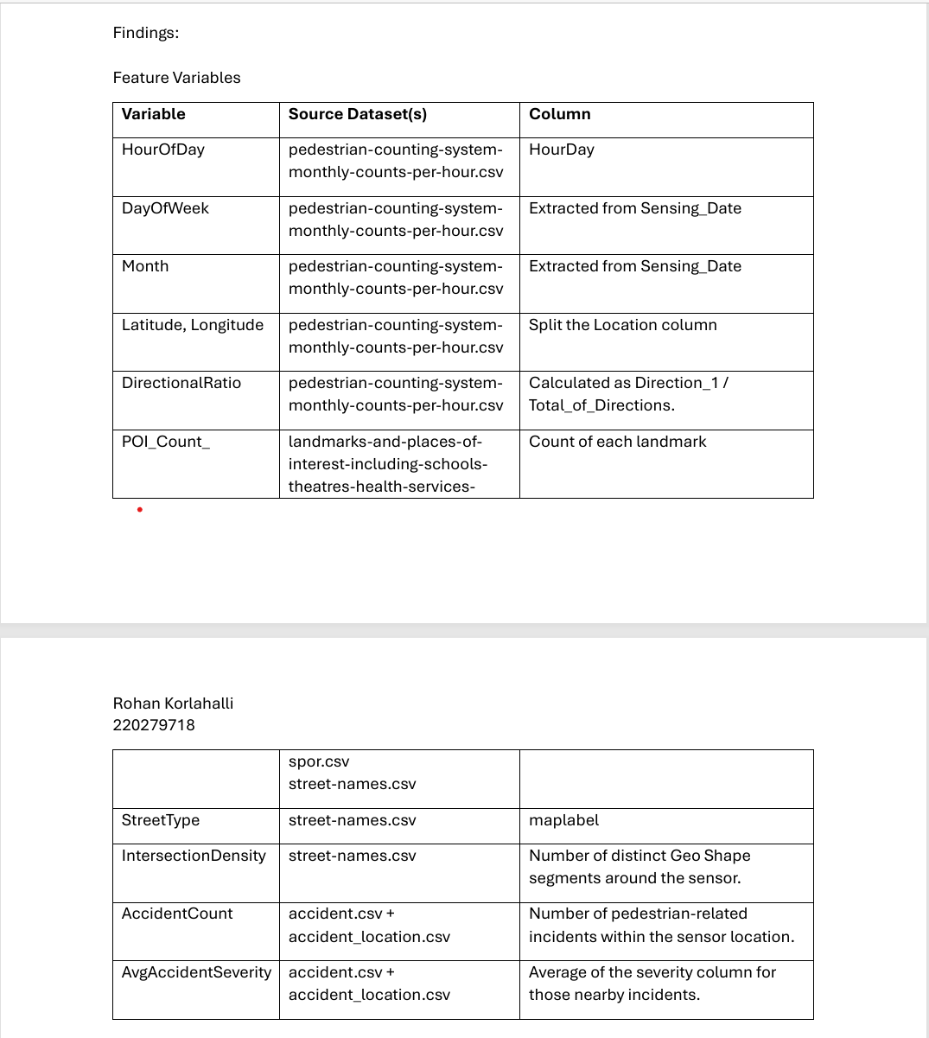 | 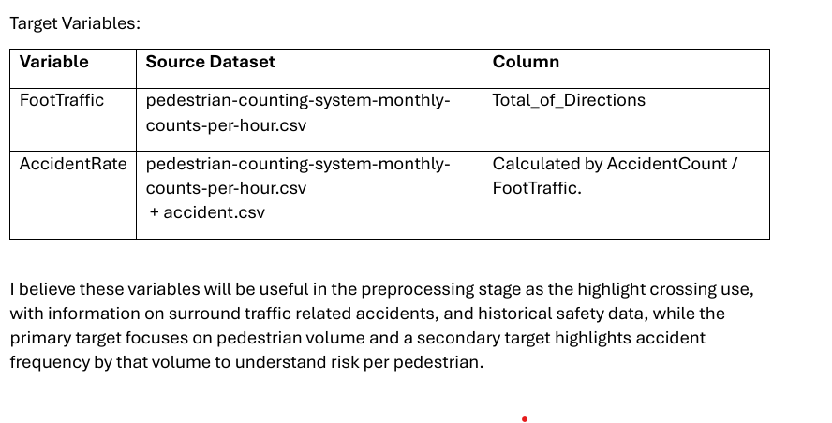
2 | Landmarks and places of interest, including schools, theatres, health services, sports facilities, places of worship, galleries and museums. | https://data.melbourne.vic.gov.au/explore/dataset/landmarks-and-places-of-interest-including-schools-theatres-health-services-spor/table |  | Useful for counting nearby Points of Interest (POI) like schools, hospitals, etc. Feature: POI_Count → indicator of how busy or critical the area is.
3 | Street name | https://data.melbourne.vic.gov.au/explore/dataset/street-names/information/ |  | Provides road segment types and names (e.g., StreetType) Useful to calculate IntersectionDensity based on street segments around sensors. | 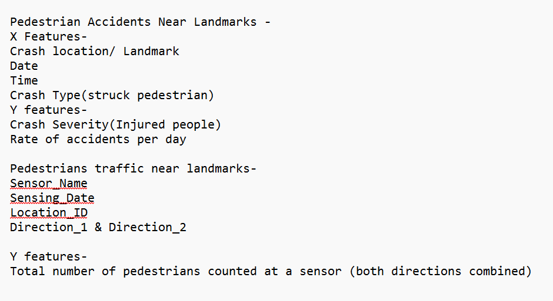
4 | Victoria road crash data | https://discover.data.vic.gov.au/dataset/victoria-road-crash-data (if there are date for Pedestrian -> continue) |  | Consider Person dataset Contains accident incidents including those involving pedestrians. Can derive: AccidentCount (incidents near sensor) AvgAccidentSeverity (from injury/fatality data) Combined with foot traffic to calculate AccidentRate → key safety target AccidentRate = AccidentCount / FootTraffic
5 | On-street Parking Bay Sensors | https://data.melbourne.vic.gov.au/explore/dataset/on-street-parking-bay-sensors/information/ |  | Could be used to infer congestion or vehicle presence in pedestrian zones Not directly useful unless we model vehicle–pedestrian interaction

 | X Features- | Y Features-
 | Average Daily Foot Traffic (by location) Aggregated total over a day from pedestrian counts. Helps assess typical pedestrian exposure. | Pedestrian Accident Rate (per location) Formula: Accident Rate = (Number of Pedestrian Accidents) / (Average Foot Traffic)
 |  | Crossing Safety Label Categories: Safe, Moderate, Unsafe How to derive: Based on: Historical accident rate (thresholds) POI proximity (e.g., near schools = more vulnerable users) Parking obstruction or sensor gaps

 | Street Speed Limit Join with road speed data if available. Higher speed → potentially higher severity. | Accessibility Risk Score Range: 0–1 or 0–100 Composite metric: Combines: Street slope Signal availability Road type Historical crash severity

 | Slope Gradient If elevation data is available, steep slopes near crossings can impact accessibility.

 | Next steps-Collect datasets from all sources (pedestrian counts, crash records, landmarks, elevation, parking sensors). Join and merge them based on common keys — typically location (latitude/longitude), street name, or sensor ID. Ensure all selected features (X and Y) are aligned at the same granularity — for example, per crossing or per location.

 | Kah:
 | Date: 2023.1.1 to 2024.11.30

 | X-featurues
 | id
 | location
 | daily_pedestrian_count
 | peak_hour_count
 | Weekend_count
 | near_school (1/0) within 200m
 | near_transport (1/0) within 200m
 | near_hospital (1/0) within 200m

 | Y-feature
 | pedestrian_crashes

